Q
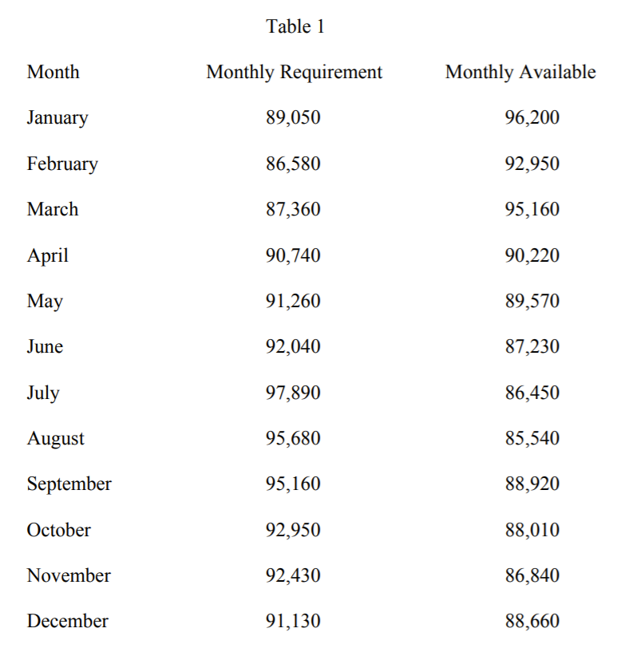
When the Department hires new workers, it puts them through a one-month training period during which they are paid their full salary but are not available for any fieldwork. Assume they are hired on the first day of one month and begin field service the first day of the next month. The training facility can train up to 400 new recruits at one time. New workers earn $3360 per month. For modeling purposes, the average cost for a worker when they work their sixth day is $350 per day. Also, new hires are available for 17 days of straight time work each month after training. Each month has 26 working days.
1. How much overtime is incurred if no one is hired?
2. What reduction in cost is achieved by hiring optimally?
3. How many workers would have to be hired (and when) if OMB said they were limiting the Department to $3 million in overtime?
4. The Mayor said he wanted to do more street cleaning and ordered OMB to budget for 100 more worker-days of street cleaning work be done each day for the rest of the year starting in July. Determine what would happen to the hiring strat

